1. Title Page
Instacart Basket Analysis

Project Name: Instacart Grocery Basket Analysis
Date:
Analyst Name: Kurt Son

Contents:
Population Flow
Consistency checks
Wrangling steps
Column derivations
Visualizations
Recommendations

2. Population Flow
Title page

Population flow

Exclusion flag
Condition: max_order <
Obervations to be removed:
Final total count of order_products_all:

Orders_products_combined
Orders_products_merged
Orders_products_all

Total: 32,434,489 rows 11 columns
Total: 32406041 rows 16 columns
Total: 32406041 rows 39 Columns

1.) The grey boxes in the first row of the population flow represent the original data sets as they were when you downloaded them. In the Total fields you need to add the count of the rows when you imported the data set into Jupyter.
2.) The second row of boxes (coloured) represents the data sets after you manipulated them, e.g., removed missing values and duplicates. In the Total fields you need to add the count of the rows after conducting these operations. This offers a visual oveview of how the data flows throughout the data consistency checks.
3.) The third row, where also the arrows are coloured, represents the merges you performed between the datasets. In the Total fields you need to add the count of the rows in the merged datasets, so that you end up with the final dataset (in the red box). Keep in mind the final dataset should be without exclusions (based on the exclusion flag).

3. Consistency checks
 |  |  |  | Title page
Consistency checks

Dataset | Missing values | Missing values treatment | Duplicates
orders | 206,209 missing values in days_since_last_order | created a separate dataframe | none
products | 16 missing values in product_name | these values were removed | 5 duplicates
orders_products_prior | There was a value in the 'prices' column as 9999(outlier) | The value is changed to NaN | There are no duplicates
customers |  |  | none

4. Wrangling steps
 |  |  |  | Title page
Wrangling steps

Columns dropped | Columns renamed | Columns' type changed | Comment/Reason
eval_set |  |  | not needed
 | order_dow |  | changed to orders_days_of_week
 | order_hour_of_day |  | changed to order_hour for simplicity
 |  | order_id | changed to string
 |  | user_id | changed to string
 |  | first_name' | changed to string
first_name |  |  | PII data removed
last_name |  |  | PII data removed

5. Column derivations
 |  |  |  | Title page

Column derivations and aggregations

In this tab you should add tables below that the frequences of flags/label variables that you produced after deriving them. NB: don't do this for continuous variables, only for flags.
Dataset | New column | Column/s it was derived from | Conditions
df_regions |  | order_dow | Saturday = 0 Sunday= 1 Monday = 2 Tuesday= 3 Wednesday= 4 Thursday = 5 Friday = 6
df_regions | parent_group | n_dependants | n_dependants >0 = Parent n_dependants ==0 = No Children
df_regions | age_group | age | <35 = Young Age >=35 and <55 = Middle Age >=55 Old Age
df_regions | parent_profile | parent_group and age_group | old age & Parent = Older Parent middle age & parent = middle aged parent young age and parent = younger parent old age and no children = older no kids middle age and no chilldren = middle aged no kids young age and no children = younger no kids
df_regions | Income_Groups | income | <75000 = lower class >= 75000 and <150000 = middle class >= 150000 = upper class
df_regions | produce_buyers | department_id | department_id ==4 = Produce Buyer
orders_products_merged_updated | price_range_loc | prices | > 15 = High Range Product <= 15 and >5 = Mid Range Product <= 5 = Low Range Product
orders_products_merged_updated | busiest_period_of_day | order_hour_of_day | Most orders = 10, 11, 14, 15, 13, 12, 16, 9 Fewest orders = 23, 6, 0, 1, 5, 2, 4, 3
orders_products_merged_updated | Busiest_days | order_dow | Busiest Days = if value == 0 or value == 1 Slowest Days = f value == 4 or value == 3
ords_prods_merge | max_order | user_id and order_number | Maximum orders per user ID
ords_prods_merge | loyalty_flag | max_order | max_order >40 =- Loyal Customer max_order <=40 and >10 = Regular Customer max_order <=10 = New Customer
ords_prods_merge | spending_flag | mean_price | mean_price<10 = Low Spender mean_price>=10 = High Spender
ords_prods_merge | frequency_flag | median_days | median_days > 20 = Non Frequent Customer median_days >10&<=20 = Regular Customer median_days<= 10 = Frequent Customer

6. Visualizations
 |  |  |  | Title page

Visualisations

In this tab you should include all the visualtions from Exercises 4.9 and 4.10, alongside the questions from the project brief that they answer. Include any commentary on the relationship between different variables.

1. The sales team needs to know what the busiest days of the week and hours of the day are (i.e., the days and times with the most orders) in order to schedule ads at times when there are fewer orders.
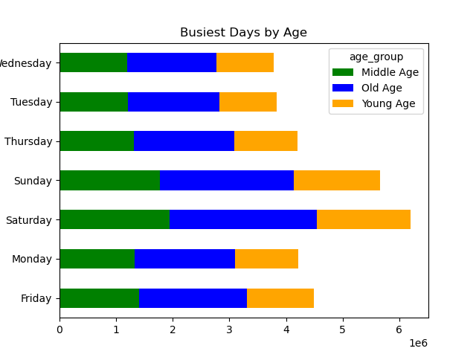
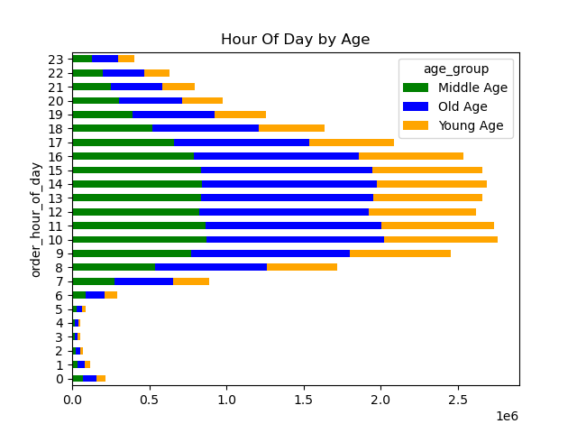


 |  | These graphs show that the busiest days are Saturday and Sunday, while the busiest hours throught the week are 9 AM - 4 PM

2. They also want to know whether there are particular times of the day when people spend the most money, as this might inform the type of products they advertise at these times.

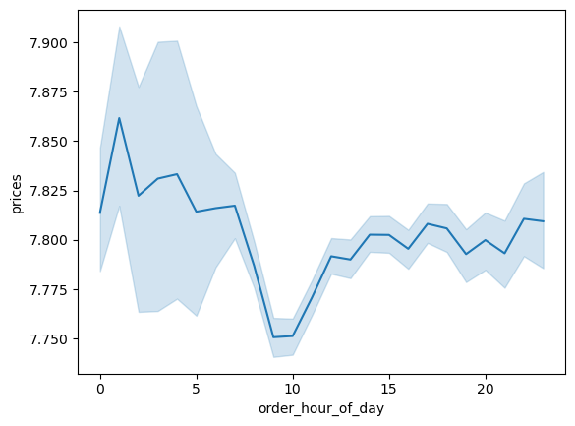
 |  | Based on a random sample taken, this chart reflects that during standard Business Hours (8 AM - 10 PM), 3-6 PM is the most popular time fram for people to go shopping.

3. Instacart has a lot of products with different price tags. Marketing and sales want to use simpler price range groupings to help direct their efforts.

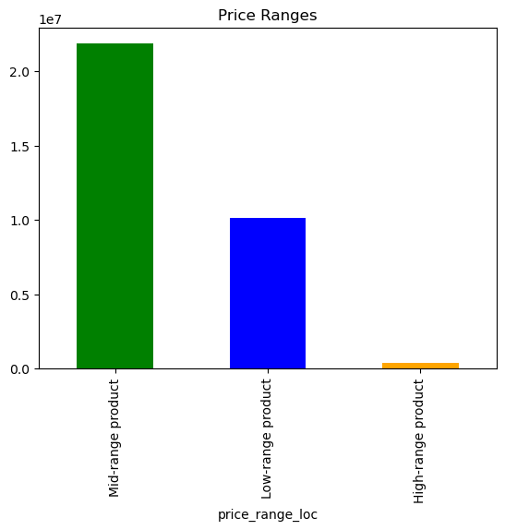

 |  | Products were divided into 3 different categories based upon their pricing. Mid- Range and Low-Range products make up the bulk majority of purchases. However, High-Range products are more expensive, they still provide revenue for Instacart

4. Are there certain types of products that are more popular than others? The marketing and sales teams want to know which departments have the highest frequency of product orders.

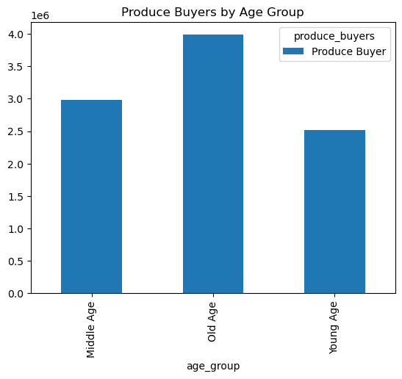
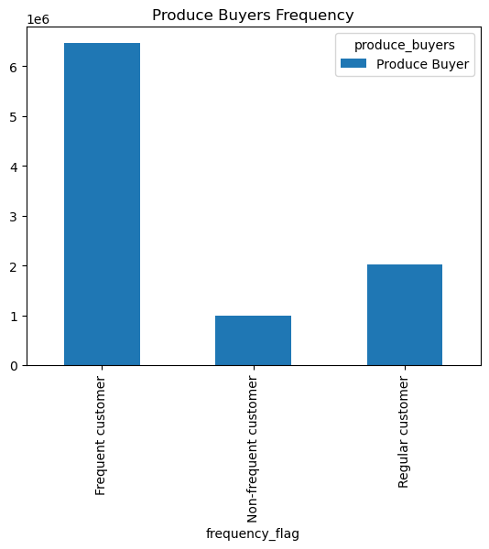

 |  | These graphs represent the high amount of purchasing of produce items through instacart. Shoppers of older age and frequent customers tend to buy the most produce as well.

5.What’s the distribution among users in regards to their brand loyalty (i.e., how often do they return to Instacart)?

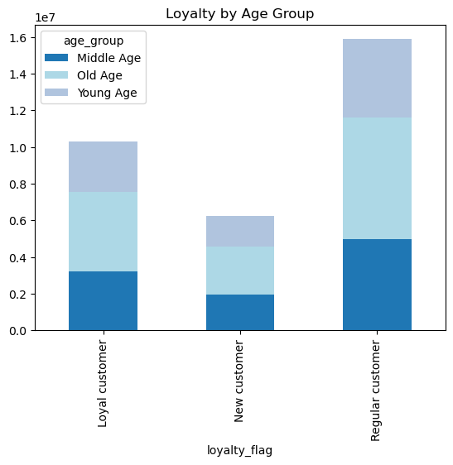

6. Are there differences in ordering habits based on a customer’s loyalty status?

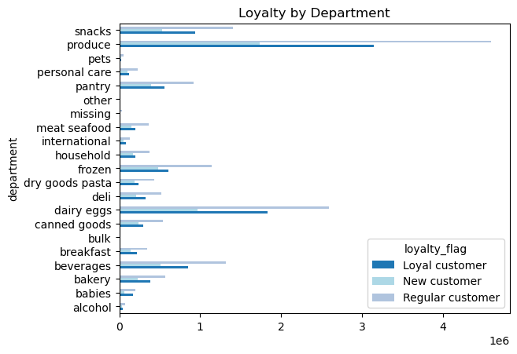

7. Are there differences in ordering habits based on a customer’s region?

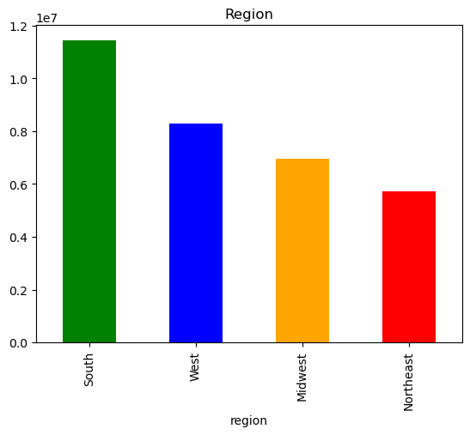

 |  | Yes there are. The south region has the highest frequency of orders. By taking this information, we would want to take a look at how Instacart is advertising in the south and apply it to the other regions.

8. Is there a connection between age and family status in terms of ordering habits?
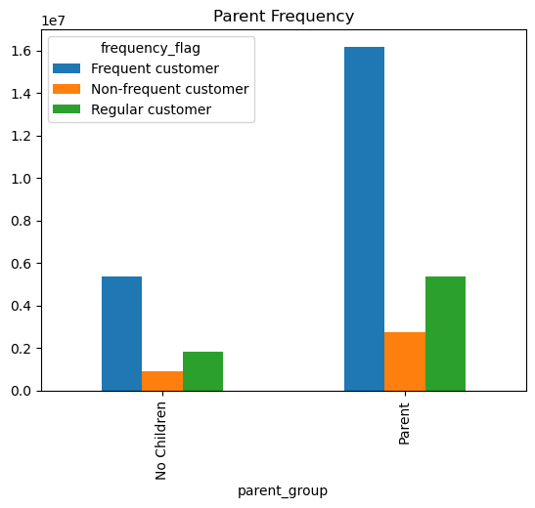

 |  | This bar chart shows that Parents order substantially more than non parents do. This is likely due to the fact that they are purchasing for the entire family rather than just for an individual.

9. What different classifications does the demographic information suggest? Age? Income? Certain types of goods? Family status?


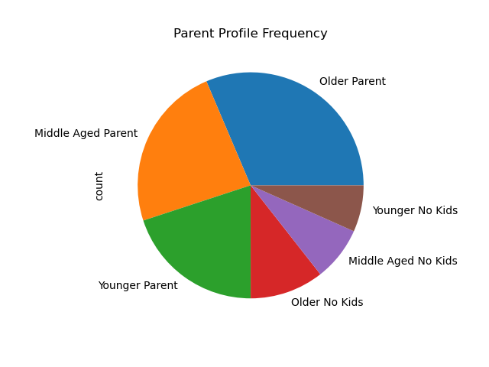
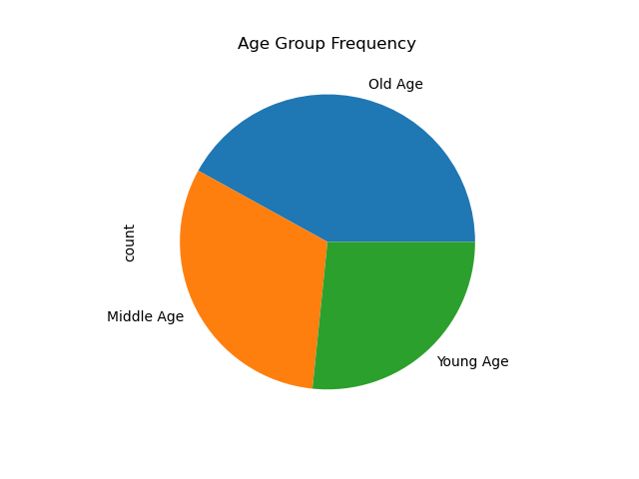

 |  |  | The Pie charts show the frequency of shoppers using instacart, with a bulk majority of the users falling in the old age category. However, we can also see that users that fall inot the "parent" category account for around 75% of purchases.

 | This scatterplot shows that Income increases drastically after reaching 40 years of age. Indicating most older shoppers will likely spend more.

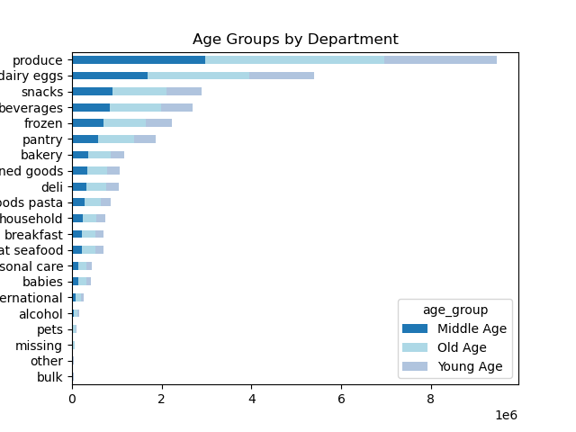
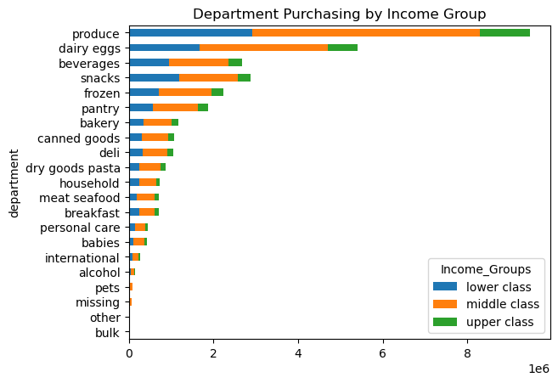

 | The bar chart indicates that middle class Instacart users carry a bulk majority of the purchasing as a whole. While lower class users come next and upper class users use instacart the least across all departments. |  | This bar chart reflects that Old Age shoppers purchase the most across the board amonst all products.

7. Recommendations
 |  |  | Title page

Recommendations

In this tab you should include any recommendations you would made to Instcart in terms of their marketing strategy based on the questions posed in the brief. Every key question has been covered in the Tasks of the Exercises - here you need to add an item - a visualisation or table/crosstable that is showing the answer in the data, acompanied by a comment from you. Please, list the questions below and add the answer underneath.

Question | Answers | Recommendations
1. The sales team needs to know what the busiest days of the week and hours of the day are (i.e., the days and times with the most orders) in order to schedule ads at times when there are fewer orders. | 1. The busiest days are Saturday and Sunday, while the busiest hours are from 9 AM to 4 PM. | 1. Run an ad campaign from 9 AM - 4 PM as these are the busiest hours. Doing this will likely add additional users who also will want to shop during these hours as most other users do. Running promotions during the week for Saturdays and Sundays is also recommended to bring in more shoppers on these popular days. It is reasonable to believe that there can be more shoppers on the weekends as these days appear to be the most convenient and needed days for shopping. Running midweek promos is also recommended to help drive business on the slower days.
2. They also want to know whether there are particular times of the day when people spend the most money, as this might inform the type of products they advertise at these times. | 2. Based on a random sample taken, our data reflects that during standard business hours (8 AM - 10 PM), 3-6 PM is the most popular time frame for people to spend more money. | 2.Incentivizing morning and late night shopping can help reduce traffic during the busiest hours. This can also increase the amount of income made in different timeframes.
3. Instacart has a lot of products with different price tags. Marketing and sales want to use simpler price range groupings to help direct their efforts. | 3. Based on how I have set up the products, medium-range products are the most plentiful | 3. I would recommend, dividing the products into 3 different bins. Low-cost Products are products that cost $5 and less. Medium-cost products are between $6 and $15 while high range products are anything more than $15. I would also recommend spotlighting the high range products more. They are not being purchased often in the current state but they do provide a lot of revenue. Improving sales in this area can drastically improve margins.
4. Are there certain types of products that are more popular than others? The marketing and sales teams want to know which departments have the highest frequency of product orders. | 4. Produce, dairy eggs and snacks are the highest sellers in terms of frequency. Produce is far and away the most popular department however | 4. We will want to continue to push Produce the same that we have been. However, instacart should also continue to push ads for their other top selling departments (dairy eggs, snacks, beverages, frozen and pantry), as these carry a significant amount of the market share as well.
5.What’s the distribution among users in regards to their brand loyalty (i.e., how often do they return to Instacart)? | 5. Users within the old age category make up a large majority of the "loyal customers" and "regular customers". This suggests that the largest demographic of Instacart users are typically going to be older. | 5. Advertising can be marketed toward younger crowds and offering sign up bonuses to help build brand loyalty amongst crowds that Instacart is less used.
6. Are there differences in ordering habits based on a customer’s loyalty status? | 6. As expected, more loyal customers are likely to order more that less loyal customers. The graphics reflect this, which leads us to believe that pushing the loyalty program will result in more orders. | 6. Implement a proper loyalty program that can help users save money after receiving a certain point threshold. Continue to push the loyalty program while putting an emphasis on the more popular products such as Produce or snacks.
7. Are there differences in ordering habits based on a customer’s region? | 7. Yes there are. The south region has the highest frequency of orders | 7. Take a deeper look into what is working in the South region and apply that strategy to the other regions. Expand marketing budgets in other regions as they are not performing as well as the South.
8. Is there a connection between age and family status in terms of ordering habits? | 8. Parents are much more likely to order with Instacart as they are a large amount of the customer base. This chart also shows that a good majority of parents are at minimum, regular customers. | 8. Direct ads towards parents. This can be plenty of different ad strategies, but continue to target this large demographic. Singles are clearly less likely to spend the money for the service, so we do not need to prioritize that demographic. Targeting Parents specifically can also help drive revenue, as parents are likely purchasing groceries for the whole family, whereas singles would only be purchasing for themselves typically.
9. What different classifications does the demographic information suggest? Age? Income? Certain types of goods? Family status? | 9. Customers over 40 are much likelier to have higher incomes than those under 40 years old. Parents account for over 75% of Instacart purchases, which shows that they are an overwhelming majority of users. Department purchasing remains mostly the same in distribution where older shoppers who are middle class, are more likely to use Instacart for shopping. | 9. Continue to market heavily toward parents. This is the demographic that uses Instacart the most and will continue to use Instacart based on the history. Continue to research ways to improve the popularity of Instacart with younger users as well. Loyalty programs as well as discounts for students can help improve these numbers for this demographic.

